Sheet1
*- Islamabad Included.
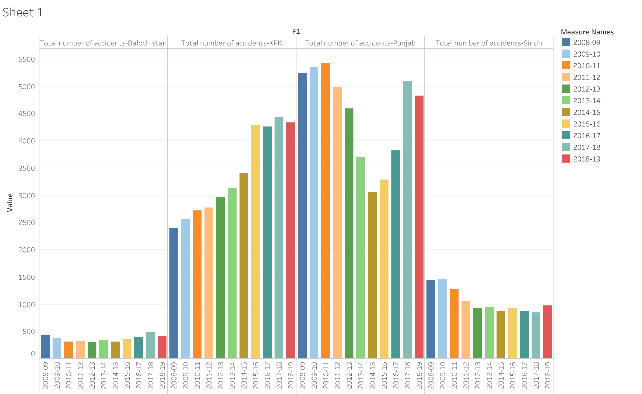
 | Year | Total number of accidents | Fatal Accidents | Non-Fatal Accidents | Killed | Injured | Total number of vehicles involved
Pakistan | 2008-09 | 9496 | 4145 | 5351 | 4907 | 11037 | 10322
Pakistan | 2009-10 | 9747 | 4378 | 5369 | 5280 | 11173 | 10496
Pakistan | 2010-11 | 9723 | 4280 | 5443 | 5271 | 11383 | 10822
Pakistan | 2011-12 | 9140 | 3966 | 5174 | 4758 | 10145 | 9986
Pakistan | 2012-13 * | 8988 | 3884 | 5104 | 4719 | 9710 | 9876
Pakistan | 2013-14* | 8359 | 3500 | 4859 | 4348 | 9777 | 9423
Pakistan | 2014-15* | 7865 | 3214 | 4651 | 3954 | 9661 | 8949
Pakistan | 2015-16* | 9100 | 3591 | 5509 | 4448 | 11544 | 10636
Pakistan | 2016-17* | 9582 | 4036 | 5546 | 5047 | 12696 | 11317
Pakistan | 2017-18 | 11121 | 4829 | 6292 | 5948 | 14489 | 13134
Pakistan | 2018-19 | 10779 | 4878 | 5901 | 5932 | 13219 | 12908
Punjab | 2008-09 | 5240 | 2471 | 2769 | 2912 | 5790 | 5240
Punjab | 2009-10 | 5344 | 2590 | 2754 | 3083 | 5856 | 5344
Punjab | 2010-11 | 5420 | 2591 | 2829 | 3167 | 5809 | 5420
Punjab | 2011-12 | 4990 | 2361 | 2629 | 2888 | 5071 | 4990
Punjab | 2012-13 | 4587 | 2213 | 2374 | 2692 | 4515 | 4587
Punjab | 2013-14 | 3696 | 1717 | 1979 | 2145 | 3941 | 3696
Punjab | 2014-15 | 3054 | 1435 | 1619 | 1750 | 3652 | 3054
Punjab | 2015-16 | 3288 | 1576 | 1712 | 2053 | 4550 | 3288
Punjab | 2016-17 | 3819 | 1989 | 1830 | 2494 | 5231 | 3819
Punjab | 2017-18 | 5093 | 2708 | 2385 | 3371 | 6772 | 5093
Punjab | 2018-19 | 4823 | 2808 | 2015 | 3423 | 5916 | 4823
Sindh | 2008-09 | 1433 | 824 | 609 | 961 | 1160 | 1562
Sindh | 2009-10 | 1465 | 883 | 582 | 1031 | 1261 | 1580
Sindh | 2010-11 | 1270 | 758 | 512 | 927 | 1071 | 1541
Sindh | 2011-12 | 1054 | 681 | 373 | 756 | 681 | 1121
Sindh | 2012-13 | 935 | 582 | 353 | 696 | 637 | 960
Sindh | 2013-14 | 945 | 613 | 332 | 791 | 893 | 1103
Sindh | 2014-15 | 881 | 583 | 298 | 771 | 863 | 1029
Sindh | 2015-16 | 924 | 634 | 290 | 749 | 754 | 1144
Sindh | 2016-17 | 880 | 608 | 272 | 786 | 970 | 1009
Sindh | 2017-18 | 848 | 586 | 262 | 802 | 838 | 1015
Sindh | 2018-19 | 972 | 620 | 352 | 725 | 829 | 1142
Khyber Pakhtunkhwa | 2008-09 | 2392 | 644 | 1748 | 786 | 3340 | 2975
Khyber Pakhtunkhwa | 2009-10 | 2559 | 712 | 1847 | 921 | 3560 | 3128
Khyber Pakhtunkhwa | 2010-11 | 2722 | 773 | 1949 | 986 | 4153 | 3479
Khyber Pakhtunkhwa | 2011-12 | 2772 | 785 | 1987 | 953 | 3913 | 3501
Khyber Pakhtunkhwa | 2012-13 | 2968 | 846 | 2122 | 1059 | 4016 | 3736
Khyber Pakhtunkhwa | 2013-14 | 3120 | 877 | 2243 | 1033 | 4257 | 3934
Khyber Pakhtunkhwa | 2014-15 | 3399 | 942 | 2457 | 1137 | 4524 | 4260
Khyber Pakhtunkhwa | 2015-16 | 4287 | 1083 | 3204 | 1299 | 5527 | 5490
Khyber Pakhtunkhwa | 2016-17 | 4256 | 1103 | 3153 | 1317 | 5804 | 5736
Khyber Pakhtunkhwa | 2017-18 | 4425 | 1119 | 3306 | 1295 | 6093 | 6052
Khyber Pakhtunkhwa | 2018-19 | 4337 | 1097 | 3240 | 1318 | 5798 | 6062
Balochistan | 2008-09 | 431 | 206 | 225 | 248 | 747 | 545
Balochistan | 2009-10 | 379 | 193 | 186 | 245 | 496 | 444
Balochistan | 2010-11 | 311 | 158 | 153 | 191 | 350 | 382
Balochistan | 2011-12 | 324 | 139 | 185 | 161 | 480 | 374
Balochistan | 2012-13 | 297 | 136 | 161 | 163 | 362 | 381
Balochistan | 2013-14 | 342 | 173 | 169 | 247 | 480 | 434
Balochistan | 2014-15 | 315 | 147 | 168 | 178 | 440 | 389
Balochistan | 2015-16 | 357 | 178 | 179 | 207 | 504 | 470
Balochistan | 2016-17 | 401 | 209 | 192 | 321 | 567 | 537
Balochistan | 2017-18 | 496 | 259 | 237 | 313 | 624 | 715
Balochistan | 2018-19 | 409 | 226 | 183 | 330 | 542 | 642
Islamabad | 2012-13 | 201 | 107 | 94 | 109 | 180 | 212
Islamabad | 2013-14 | 256 | 120 | 136 | 132 | 206 | 256
Islamabad | 2014-15 | 216 | 107 | 109 | 118 | 182 | 217
Islamabad | 2015-16 | 244 | 120 | 124 | 140 | 209 | 244
Islamabad | 2016-17 | 226 | 127 | 99 | 129 | 124 | 216
Islamabad | 2017-18 | 259 | 157 | 102 | 167 | 162 | 259
Islamabad | 2018-19 | 238 | 127 | 111 | 136 | 134 | 239
Total no of accidents peoples killed and injured |  |  |  |  | 109224 | 249668
RATIO OF ACCIDENTS PEOPLE KILLED AND INJURED |  |  |  |  | 27306:62417
Total no of Accidents in Punjab province 2008-19 = |  |  |  | 49354
Total no of Accidents in Sindh province 2008-19 = |  |  |  | 11607
Total no of Accidents in Balochistan Province 2008-19 = |  |  |  | 4062
Total no of Accidents in Khyber Pakhtoon khwa province 2008-19 = |  |  |  | 37237

Mode of Killed people of province Punjab= |  |  |  | #N/A | (It means no mode value is present!)
Mode of Killed people of province Sindh= |  |  |  | #N/A | (It means no mode value is present!)
Mode of Killed people of province Khyber Pakhtoon khwa= |  |  |  | #N/A | (It means no mode value is present!)
Mode of Killed people of province balochistan= |  |  |  | #N/A | (It means no mode value is present!)

Mode of injured people of province Punjab= |  |  |  | #N/A | (It means no mode value is present!)
Mode of injured people of province Sindh= |  |  |  | #N/A | (It means no mode value is present!)
Mode of injured people of province Khyber Pakhtoon khwa= |  |  |  | #N/A | (It means no mode value is present!)
Mode of injured people of province balochistan= |  |  |  | 480

Median of Killed people of province Punjab= |  |  |  | 2888
Medianof Killed people of province Sindh= |  |  |  | 786
Median of Killed people of province Khyber Pakhtoon khwa= |  |  |  | 1059
Median of Killed people of province balochistan= |  |  |  | 226

Median of injured people of province Punjab= |  |  |  | 5231
Median of injuredpeople of province Sindh= |  |  |  | 863
Median of injured people of province Khyber Pakhtoon khwa= |  |  |  | 4257
Median of injured people of province balochistan= |  |  |  | 496

Mean of Killed people of province Punjab= |  |  |  | 2725.2727273
Mean of Killed people of province Sindh= |  |  |  | 817.72727273
Mean of Killed people of province Khyber Pakhtoon khwa= |  |  |  | 1100.3636364
Mean of Killed people of province balochistan= |  |  |  | 236.72727273

Mean of injured people of province Punjab= |  |  |  | 5191.1818182
Mean of injured people of province Sindh= |  |  |  | 905.18181818
Mean of injured people of province Khyber Pakhtoon khwa= |  |  |  | 4635
Mean of injured people of province balochistan= |  |  |  | 508.36363636

Count of Killed people of province Punjab= |  |  |  | 11
Count of Killed people of province Sindh= |  |  |  | 11
Count of Killed people of province Khyber Pakhtoon khwa= |  |  |  | 11
Count of Killed people of province balochistan= |  |  |  | 11

Count of injured people of province Punjab= |  |  |  | 11
Count of injured people of province Sindh= |  |  |  | 11
Count of injured people of province Khyber Pakhtoon khwa= |  |  |  | 11
Count of injured people of province balochistan= |  |  |  | 11

Standard deviation of Killed people of province Punjab= |  |  |  | 555.21565016
Standard deviation of Killed people of province Sindh= |  |  |  | 106.79615247
Standard deviation of Killed people of province Khyber Pakhtoon khwa= |  |  |  | 185.74674841
Standard deviation of Killed people of province balochistan= |  |  |  | 62.860306886

Standard deviation of Injured people of province Punjab= |  |  |  | 51187
Standard deviation of Injured people of province Sindh= |  |  |  | 9957
Standard deviation of injured people of province Khyber Pakhtoon khwa= |  |  |  | 50985
Standard deviation of injured people of province balochistan= |  |  |  | 5592

Ratio of Accidents with Punjab year 2009-10= |  |  |  | 2620:24677
Ratio of Accidents with Punjab year 2010-11= |  |  |  | 2672:9.23540419161677
Ratio of Accidents with Punjab year 2011-12= |  |  |  | 2710:24677
Ratio of Accidents with Punjab year 2012-13= |  |  |  | 2495:18618.5
Ratio of Accidents with Punjab year 2013-14= |  |  |  | 4587:49354
Ratio of Accidents with Punjab year 2014-15= |  |  |  | 1848:24677
Ratio of Accidents with Punjab year 2016-17= |  |  |  | 1527:24677
Ratio of Accidents with Punjab year 2017-18= |  |  |  | 1644:24677
Ratio of Accidents with Punjab year 2018-19= |  |  |  | 3819:49354

Ratio of Accidents with Sindh year 2009-10= |  |  |  | 1433:11607
Ratio of Accidents with Sindh year 2010-11= |  |  |  | 1465:11607
Ratio of Accidents with Sindh year 2011-12= |  |  |  | 1270:11607
Ratio of Accidents with Sindh year 2012-13= |  |  |  | 1054:11607
Ratio of Accidents with Sindh year 2013-14= |  |  |  | 935:11607
Ratio of Accidents with Sindh year 2014-15= |  |  |  | 315:3869
Ratio of Accidents with Sindh year 2016-17= |  |  |  | 881:11607
Ratio of Accidents with Sindh year 2017-18= |  |  |  | 308:3869
Ratio of Accidents with Sindh year 2018-19= |  |  |  | 880:11607

Ratio of Accidents with KPK year 2009-10= |  |  |  | 104:1619
Ratio of Accidents with KPK year 2010-11= |  |  |  | 2559:37237
Ratio of Accidents with KPK year 2011-12= |  |  |  | 2722:37237
Ratio of Accidents with KPK year 2012-13= |  |  |  | 2772:37237
Ratio of Accidents with KPK year 2013-14= |  |  |  | 2968:37237
Ratio of Accidents with KPK year 2014-15= |  |  |  | 3120:37237
Ratio of Accidents with KPK year 2016-17= |  |  |  | 3399:37237
Ratio of Accidents with KPK year 2017-18= |  |  |  | 4287:37237
Ratio of Accidents with KPK year 2018-19= |  |  |  | 4256:37237

Ratio of Accidents with Baluchistan year 2009-10= |  |  |  | 431:4062
Ratio of Accidents with Baluchistan year 2010-11= |  |  |  | 379:4062
Ratio of Accidents with Baluchistan year 2011-12= |  |  |  | 311:4062
Ratio of Accidents with Baluchistan year 2012-13= |  |  |  | 54:677
Ratio of Accidents with Baluchistan year 2013-14= |  |  |  | 99:1354
Ratio of Accidents with Baluchistan year 2014-15= |  |  |  | 57:677
Ratio of Accidents with Baluchistan year 2016-17= |  |  |  | 105:1354
Ratio of Accidents with Baluchistan year 2017-18= |  |  |  | 119:1354
Ratio of Accidents with Baluchistan year 2018-19= |  |  |  | 401:4062

Total number of Fatal Accidents= |  |  |  | 89402
Total number of NON- Fatal Accidents= |  |  |  | 118398
Ratio of Fatal to total Accidents= |  |  |  | 44701:103900
Total number of Accidents= |  |  |  | 207800
Ratio of Non- Fatal to total Accidents= |  |  |  | 59199:103900

Ratio of accident in Punjab province 2008= |  |  |  | 2620:24677
Ratio of accident in Punjab province 2009= |  |  |  | 2672:24677
Ratio of accident in Punjab province 2010= |  |  |  | 2710:49354
Ratio of accident in Punjab province 2011= |  |  |  | 2495:24677
Ratio of accident in Punjab province 2012= |  |  |  | 4587:49354
Ratio of accident in Punjab province 2013= |  |  |  | 1848:24677
Ratio of accident in Punjab province 2014= |  |  |  | 1527:24677
Ratio of accident in Punjab province 2015= |  |  |  | 1644:24677
Ratio of accident in Punjab province 2016= |  |  |  | 3819:49354
Ratio of accident in Punjab province 2017= |  |  |  | 5093:49354
Ratio of accident in Punjab province 2018= |  |  |  | 4823:49354
Ratio of accident in Punjab province 2019= |  |  |  | 1433:49354

Ratio of accident in Sindh province 2008= |  |  |  | 1433:11607
Ratio of accident in Sindh province 2009= |  |  |  | 1465:11607
Ratio of accident in Sindh province 2010= |  |  |  | 1270:11607
Ratio of accident in Sindh province 2011= |  |  |  | 1054:11607
Ratio of accident in SIndh province 2012= |  |  |  | 935:11607
Ratio of accident in Sindh province 2013= |  |  |  | 315:3869
Ratio of accident in Sindh province 2014= |  |  |  | 881:11607
Ratio of accident in Sindh province 2015= |  |  |  | 308:3869
Ratio of accident in Sindh province 2016= |  |  |  | 880:11607
Ratio of accident in Sindh province 2017= |  |  |  | 16:219
Ratio of accident in Sindh province 2018= |  |  |  | 324:3869
Ratio of accident in Sindh province 2019= |  |  |  | 2392:11607

Ratio of accident in KPK province 2008= |  |  |  | 104:1619
Ratio of accident in KPK province 2009= |  |  |  | 2559:37237
Ratio of accident in KPK province 2010= |  |  |  | 2722:37237
Ratio of accident in KPK province 2011= |  |  |  | 2772:37237
Ratio of accident in KPK province 2012= |  |  |  | 2968:37237
Ratio of accident in KPK province 2013= |  |  |  | 3120:37237
Ratio of accident in KPK province 2014= |  |  |  | 3399:37237
Ratio of accident in KPKprovince 2015= |  |  |  | 4287:37237
Ratio of accident in KPK province 2016= |  |  |  | 4256:37237
Ratio of accident in KPK province 2017= |  |  |  | 4425:37237
Ratio of accident in KPK province 2018= |  |  |  | 4337:37237
Ratio of accident in KPK province 2019=

Ratio of accident in Baluchistan province 2008= |  |  |  | 431:4062
Ratio of accident in Baluchistan province 2009= |  |  |  | 379:4062
Ratio of accident in Baluchistan province 2010= |  |  |  | 311:4062
Ratio of accident in Baluchistan province 2011= |  |  |  | 54:677
Ratio of accident in Baluchistan province 2012= |  |  |  | 99:1354
Ratio of accident in Baluchistan province 2013= |  |  |  | 57:677
Ratio of accident in Baluchistan province 2014= |  |  |  | 105:1354
Ratio of accident in Baluchistan province 2015= |  |  |  | 119:1354
Ratio of accident in Baluchistan province 2016= |  |  |  | 401:4062
Ratio of accident in Baluchistan province 2017= |  |  |  | 248:2031
Ratio of accident in Baluchistan province 2018= |  |  |  | 409:4062
Ratio of accident in Baluchistan province 2019= |  |  |  | 67:1354

